图册
HGG11000E-EA3R
FIG.1 CRANKCASE. / GEAR ASSY, GOVERNOR. (E01)
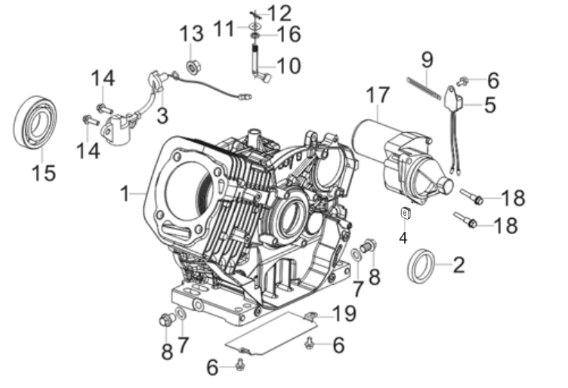
REF.NO. | PART NO | DESCRIPTION | Q'TY | Number of packages
E01-1 | 11310-Z0D0110-0BA0 | Crankcase Subassembly. | 1 | 1
E01-2 | 90682-Z0J0110-00A0 | Seal, Oil | 1 | 1
E01-3 | 37060-Z080120-00A0 | Sensor, Engine Oil | 1 | 1
E01-4 | 28101-Z080110-00A0 | Plug, Rubber | 1 | 1
E01-5 | 37050-Z010311-00A0 | Protector, Oil | 1 | 1
E01-6 | 90001-0610-01A0 | Bolt | 3 | 1
E01-7 | 90412-Z080110-00A0 | Flat Washer | 2 | 1
E01-8 | 11007-Z080110-00A0 | Bolt, Drain Plug | 2 | 1
E01-9 | 90684-Z010311-00A0 | Wire Clip | 1 | 1
E01-10 | 16061-Z0D0111-00A0 | Arm, Governor | 1 | 1
E01-11 | 90412-Z080210-00A0 | Flat Washer | 1 | 1
E01-12 | 90501-Z010110-00A0 | Cotter Pin | 1 | 1
E01-13 | 90305-Z010210-01A0 | Hexagon Nut With Flange | 1 | 1
E01-14 | 90001-0616-01A0 | Bolt | 2 | 1
E01-15 | 90547-6202-00AV | Deep Groove Ball Bearing | 1 | 1
E01-16 | 90682-Z100210-00A0 | Seal, Oil | 1 | 1
E01-17 | 09100-Z170410-00A0 | Starting Motor Assembly | 1 | 1
E01-18 | 90001-0835-01A0 | Hexagon Socket Flange Face Bolt - Small Series | 2 | 1
E01-19 | 19306-Z0D0110-00A1 | Deflector, Crankcase Air | 1 | 1
FIG.2 COVER SUBASSEMBLY, CRANKCASE (E02)
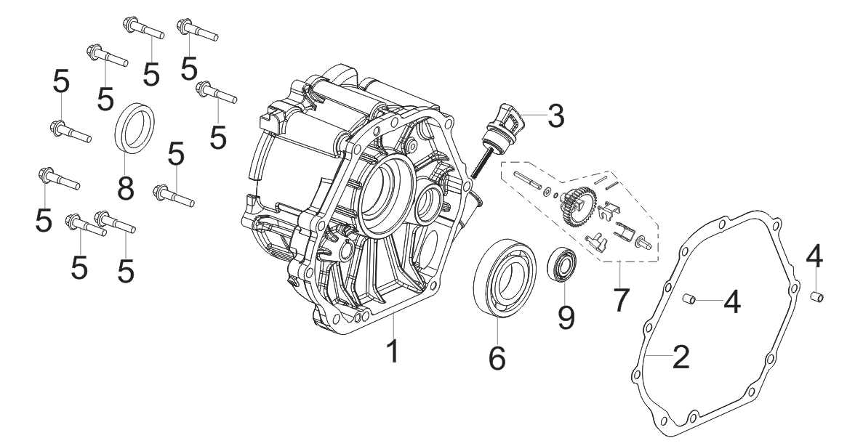
REF.NO. | PART NO | DESCRIPTION | Q’TY | Number of packages
E02-1 | 11411-Z0D0110-0BA1 | Cover, Crankcase | 1 | 1
E02-2 | 11001-Z0D0110-00A0 | Gasket, Crankcase | 1 | 1
E02-3 | 15010-Z080330-Q5A0 | Dipstick Subassembly, Oil | 1 | 1
E02-4 | 90502-0812-00A0 | Position Pin | 2 | 1
E02-5 | 90007-0840-A1A0 | Bolt | 9 | 1
E02-6 | 90547-0208-CLAE | Deep Groove Ball Bearing | 1 | 1
E02-7 | 16400-Z0Y0110-00A0 | Gear Assy, Governor | 1 | 1
E02-8 | 90682-Z0J0110-00A0 | Seal, Oil | 1 | 1
E02-9 | 90547-6202-00AV | Deep Groove Ball Bearing | 1 | 1
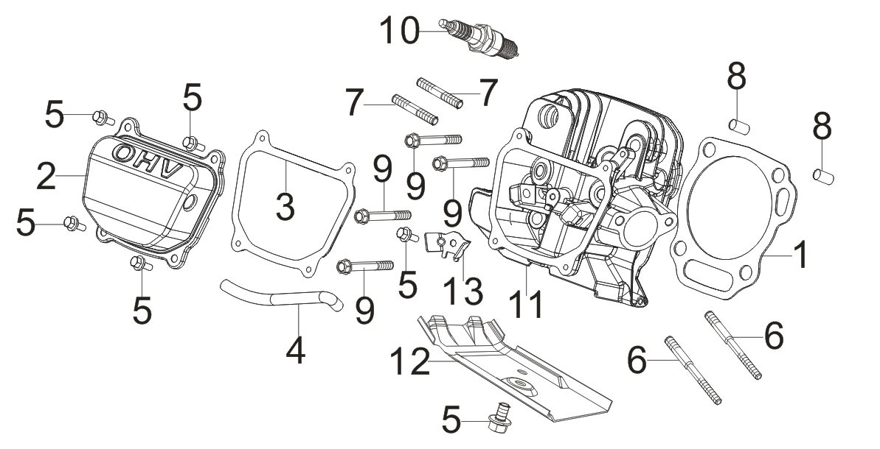
FIG.3 HEAD SUBASSEMBLY, CYLINDER / PLUG,SPARK (E03)

REF.NO. | PART NO | DESCRIPTION | Q'TY | Number of packages
E03-1 | 12131-Z0D0210-00A0 | Gasket, Cylinder Head | 1 | 1
E03-2 | 12410-Z0J0410-00A0 | Cover Subassembly, Cylinder Head | 1 | 1
E03-3 | 12004-Z0J0910-0000 | Cylinder Head Cover Gasket | 1 | 1
E03-4 | 17004-Z0D0110-00A0 | Tube, Breather | 1 | 1
E03-5 | 90001-0612-01A0 | Bolt | 6 | 1
E03-6 | 90204-Z100410-00A0 | Stud Bolt | 2 | 1
E03-7 | 90203-Z010110-01A0 | Stud Bolt | 2 | 1
E03-8 | 90502-1220-00A0 | Position Pin - Type A | 2 | 1
E03-9 | 12003-Z0N0110-00A0 | Cylinder Head Bolt | 4 | 1
E03-10 | 30010-Z010110-00A0 | Plug, Spark | 1 | 1
E03-11 | 12140-Z0D0710-0BA0 | Head Subassembly, Cylinder | 1 | 1
E03-12 | 19304-Z100210-00A0 | Shroud, Cylinder Body | 1 | 1
E03-13 | 12419-Z950311-00A0 | Cylinder Head Cover Pin Limit Plate | 1 | 1
FIG.4 ROD,CRANKSHAFT CONNETING (E04)
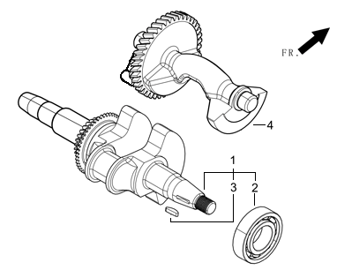
REF.NO. | PART NO | DESCRIPTION | Q'TY | Number of packages
E04-1 | 13300-Z0D0112-CLAT | Crankshaft Assy. | 1 | 1
E04-4 | 13401-Z0D0110-00A0 | Balancing Shaft | 1 | 1
FIG.5 RING SET,OIL / ROD,CRANKSHAFT CONNETING（E05）
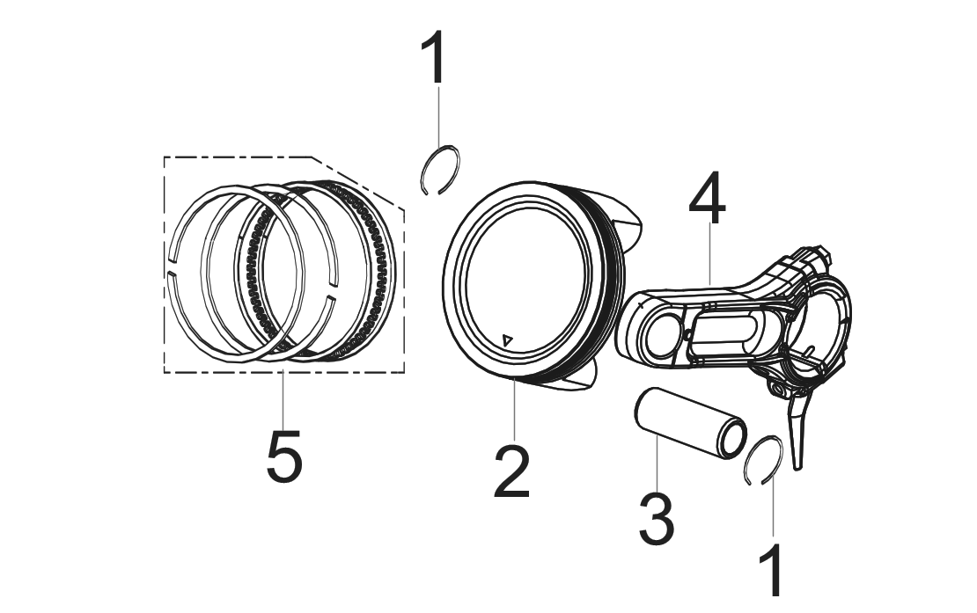
REF.NO. | PART NO | DESCRIPTION | Q'TY | Number of packages
E05-1 | 13122-Z100110-00A0 | Clip, Piston Pin | 2 | 1
E05-2 | 13111-Z0D0410-0000 | Piston | 1 | 1
E05-3 | 13121-Z0D0310-0000 | Pin, Piston | 1 | 1
E05-4 | 13010-Z0D0311-00A0 | Rod, Connecting | 1 | 1
E05-5 | 13200-Z0D0110-00A9 | Ring Assy, Piston | 1 | 1
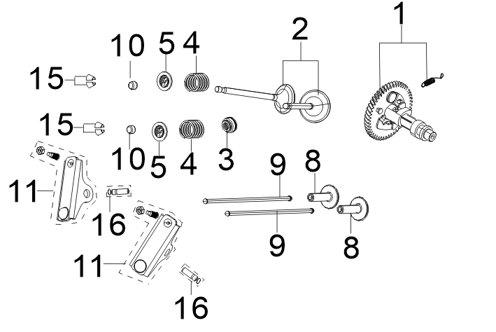
FIG.6 TRAIN,VALVE / CAMSHAFT SUBASSEMBLY（E06）

REF.NO. | PART NO | DESCRIPTION | Q'TY | Number of packages
E06-1 | 14200-Z0D0210-00A0 | Camshaft Assy. | 1 | 1
E06-2 | 12110-Z0D0210-00A0 | Valves Set | 1 | 1
E06-3 | 12101-Z020110-00A0 | Guide, Seal | 1 | 1
E06-4 | 12103-Z990110-00A0 | Spring, Valve | 2 | 1
E06-5 | 12112-Z0D0210-00A0 | Seat, Valve Spring | 2 | 1
E06-8 | 14081-Z080110-00A0 | Tappet, Valve | 2 | 1
E06-9 | 14070-Z0D0110-00A0 | Lifter Subassembly, Valve | 2 | 1
E06-10 | 12104-Z010110-00A0 | R0Tator, Valve | 2 | 1
E06-11 | 14310-Z0D0111-00A0 | Rocker Subassembly, Valve | 2 | 1
E06-15 | 12109-Z0D0210-00A0 | Clamp, Valve Lock | 4 | 1
E06-16 | 14318-Z0D0210-00A0 | Shaft Subassembly， Rocker | 2 | 1
FIG.7 STARTER,RECOIL（E07）
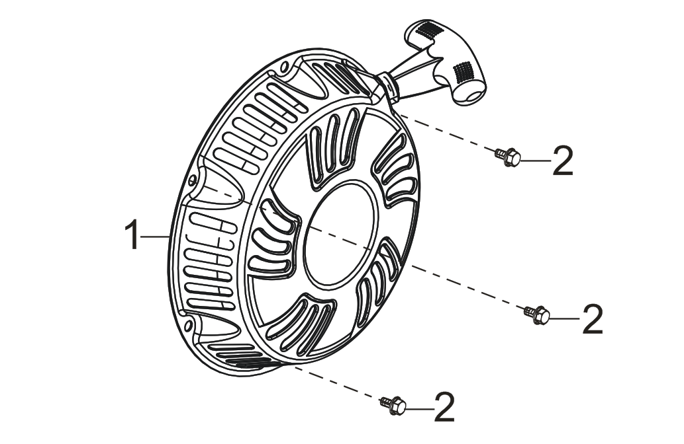
REF.NO. | PART NO | DESCRIPTION | Q'TY
E07-1 | 28200-Z101210-H7A0 | Starter Assy, Recoil | 1
E07-2 | 90001-0620-01A0 | Hexagon Socket Flange Face Bolt - Small Series | 3
FIG.8 SHROUD / SHIELD,LOWER（E08）
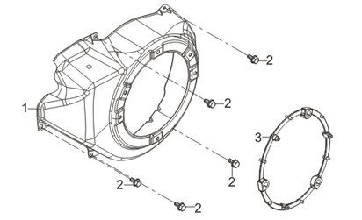
REF.NO. | PART NO | DESCRIPTION | Q'TY | Number of packages
E08-1 | 28110-Z710510-H7A0 | Shroud | 1 | 1
E08-2 | 90001-0612-01A0 | Hexagon Socket Flange Face Bolt - Small Series | 5 | 1
E08-3 | 28261-Z980110-00A0 | Recoil Starter Reel Cover Retainer | 1 | 1
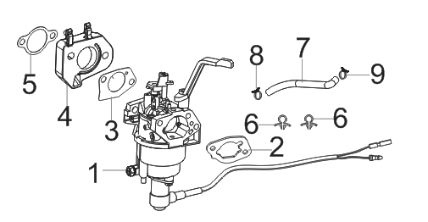
FIG.9 CARBURETOR ASSY.（E09）

REF.NO. | PART NO | DESCRIPTION | Q'TY | Number of packages
E09-1 | 16100-Z0D0110-00AA | Carburetor Assy. | 1 | 1
E09-2 | 17001-Z0D0110-00A0 | Air Cleaner Seal Gasket | 1 | 1
E09-3 | 16001-Z100110-00A0 | Carburetor Seal Gasket | 1 | 1
E09-4 | 16003-Z0D0110-0001 | Plate, Carburetor Insulator | 1 | 1
E09-5 | 17002-Z0D0110-00A0 | Gasket, Inlet | 1 | 1
E09-6 | 90684-Z030210-00A0 | Wire Clip | 2 | 1
E09-7 | 90686-Z080610-00M3 | Tube, Fuel | 1 | 1
E09-8 | 90685-D080-0EA0 | Pipe Clamp | 1 | 1
E09-9 | 90740-Z010210-00A0 | Collar | 1 | 1
FIG.10 FLYWHEEL / IMPELLER / STARTER PULLEY / IGNITION COIL（E10）
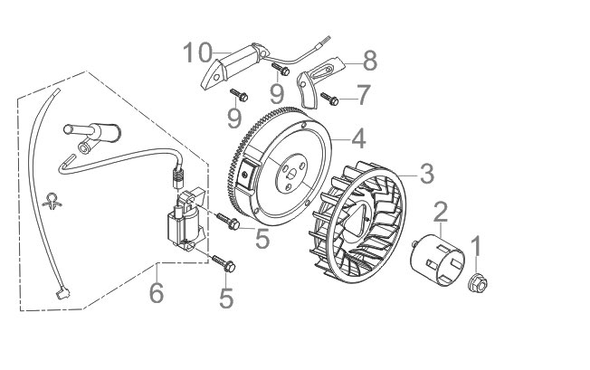
REF.NO. | PART NO | DESCRIPTION | Q'TY | Number of packages
E10-1 | 13501-Z080111-00A0 | Nut, Flywheel | 1 | 1
E10-2 | 28002-Z0D0110-0000 | Pulley,Starter | 1 | 1
E10-3 | 19352-Z100210-00A0 | Impeller | 1 | 1
E10-4 | 13510-Z0D0111-00A0 | Flywheel Subassembly | 1 | 1
E10-5 | 90001-0628-01A0 | Hexagon Socket Flange Face Bolt - Small Series | 2 | 1
E10-6 | 30400-Z310311-00A0 | Coil, Ignition | 1 | 1
E10-7 | 90001-0610-01A0 | Hexagon Socket Flange Face Bolt - Small Series | 1 | 1
E10-8 | 30001-Z170110-00A0 | Clamp, Charge Coil | 1 | 1
E10-9 | 90001-0632-01A0 | Hexagon Socket Flange Face Bolt - Small Series | 2 | 1
E10-10 | 30140-Z160230-00A0 | Coil Subassembly, Charge | 1 | 1
FIG.11 CONTROL ASSY, THROTTLE（E11）
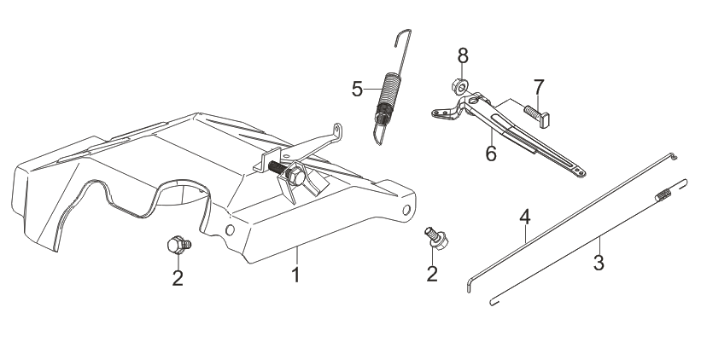
REF.NO. | PART NO | DESCRIPTION | Q'TY | Number of packages
E11-1 | 16520-Z0D0112-00A0 | Control Assy, Throttle | 1 | 1
E11-2 | 90001-0612-01A0 | Hexagon Socket Flange Face Bolt - Small Series | 2 | 1
E11-3 | 16012-Z080110-00A0 | Spring, Throttle Valve Returning | 1 | 1
E11-4 | 16062-Z0D0211-01A0 | Rod, Governeor | 1 | 1
E11-5 | 16063-Z0D0910-01A0 | Spring, Governor | 1 | 1
E11-6 | 16070-Z100310-01A0 | Governor Bracket Subassembly | 1 | 1
E11-7 | 16072-Z010410-01A0 | Bolt, Governor Support | 1 | 1
E11-8 | 90305-0600-31A0 | Hexagon Nut With Flange | 1 | 1
FIG.12 CLEANER, AIR （F01）
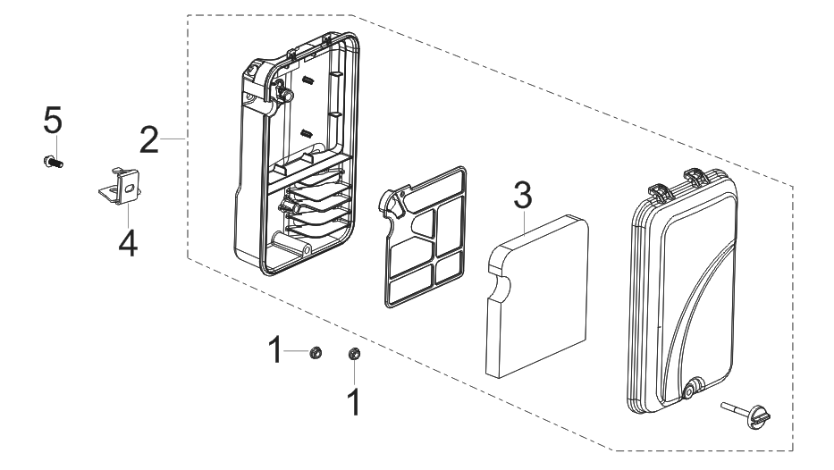
REF.NO. | PART NO | DESCRIPTION | Q'TY | Number of packages
F01-1 | 90305-0600-31A0 | Hexagon Nut With Flange | 2 | 1
F01-2 | 17100-Z0D0110-00A9 | Air Cleaner | 1 | 1
F01-3 | 17151-Z0D0110-0000 | Element, Air Cleaner | 1 | 1
F01-4 | 17003-YC20110-00A0 | Support，Atr Cleaner | 1 | 1
F01-5 | 90001-0612-01A0 | Bolt | 1 | 1
FIG.13 MUFFLER ASSY.（F02）
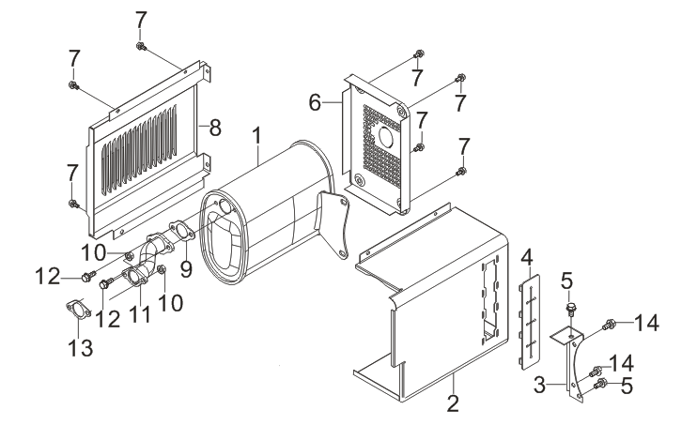
REF.NO. | PART NO | DESCRIPTION | Q'TY
F02-1 | 18100-YC20210-00A0 | Muffler Assy. | 1
F02-2 | 18003HY120110-H7A0 | Cover, Muffler Inner | 1
F02-3 | 18030-Y730110-00A0 | Bracket,Muffler | 1
F02-4 | 18005-Y030120-00A0 | Cushion, Muffler Insulator Rubber | 1
F02-5 | 90001-0816-01A0 | Hexagon Socket Flange Face Bolt - Small Series | 2
F02-6 | 18002-Y030110-H7A0 | Cover, Muffler Side | 1
F02-7 | 90007-0616-A1A0 | Bolt | 7
F02-8 | 18130-Y030110-H700 | Muffler Outer Cover | 1
F02-9 | 18101-YDK0110-00A0 | Gasket, Muffler | 1
F02-10 | 90303-0800-31A0 | Type 1 Hexagon Nut | 2
F02-11 | 18150-Z0D0310-00A0 | Pipe, Exhaust | 1
F02-12 | 90001-0830-01A0 | Bolt | 2
F02-13 | 18101-Z0D0110-00A0 | Gasket, Muffler | 1
F02-14 | 90001-0816-01A0 | Bolt | 2
FIG.14 TANK ASSY, FUEL（F03）
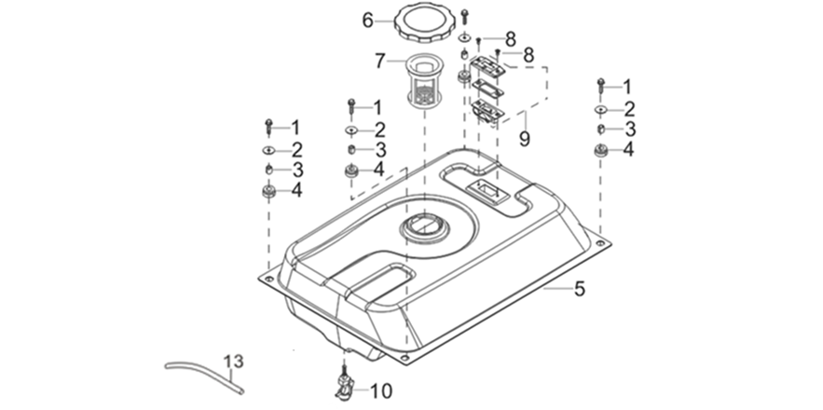
REF.NO. | PART NO | DESCRIPTION | Q'TY
F03-1 | 90007-0625-A1A0 | Hexagon Socket Flange Face Bolt - Big Series - Grade B | 4
F03-2 | 90408-Y020310-00A0 | Flat Washer - Grade A | 4
F03-3 | 90683-Y020110-00A0 | Bush | 4
F03-4 | 16601-Y020120-00A0 | Sleeve, Fuel Tank Rubber | 4
F03-5 | 16620-Y030420-H70P | Fuel Tank | 1
F03-6 | 16730-YN60410-00A0 | Cover, Fuel Tank | 1
F03-7 | 16652-Y020120-00A0 | Strainer，Fuel | 1
F03-8 | 90104-0512-51A0 | Cross Recessed Countersunk Head Screw (Grade 4.8) | 2
F03-9 | 37200-Y020120-H7A1 | Leveler Assy, Oil | 1
F03-10 | 16750-Y020211-00A0 | Cock Assy, Fuel | 1
F03-13 | 30431-Y030110-00A0 | Jacket, Rubber | 1
FIG.15 FRAME, ENGINE ( F04 )
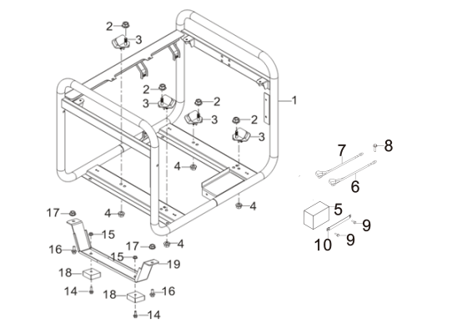
REF.NO. | PART NO | DESCRIPTION | Q'TY
F04-1 | 51100-YC20810-H700 | Frame Assy, Engine | 1
F04-2 | 90306-1000-31A0 | Hexagon Nut With Flange | 4
F04-3 | 51012HY030120-00A0 | Cushion, Engine Frame Rear | 4
F04-4 | 90305-0800-31A0 | Hexagon Nut With Flange | 4
F04-5 | 31110-Y230510-0000 | Battery | 1
F04-6 | 31114HY130310-00A0 | Wire, Cathode | 1
F04-7 | 31112HY130310-00A0 | Wire, Anode | 1
F04-8 | 90007-0612-A1A0 | Hexagon Socket Flange Face Bolt - Big Series - Grade B | 1
F04-9 | 90007-0616-A1A0 | Hexagon Socket Flange Face Bolt - Big Series - Grade B | 2
F04-10 | 31142-W510110-H700 | Clamp, Battery | 1
F04-14 | 90007-0628-A1A0 | Hexagon Socket Flange Face Bolt - Big Series - Grade B | 2
F04-15 | 90305-0600-31A0 | Hexagon Nut With Flange | 2
F04-16 | 90001-0816-01A0 | Hexagon Socket Flange Face Bolt - Small Series | 4
F04-17 | 90310-0800-31A0 | Hexagon Nut With Flange | 2
F04-18 | 51014-YJ70110-0001 | Seat, Engine Frame Shock Absorption | 2
F04-19 | 51016-Y030611-H700 | Support， Engine Frame Shock Absorption | 1
FIG.16 PANEL SUBASSEMBLY, CONTROL (F05)
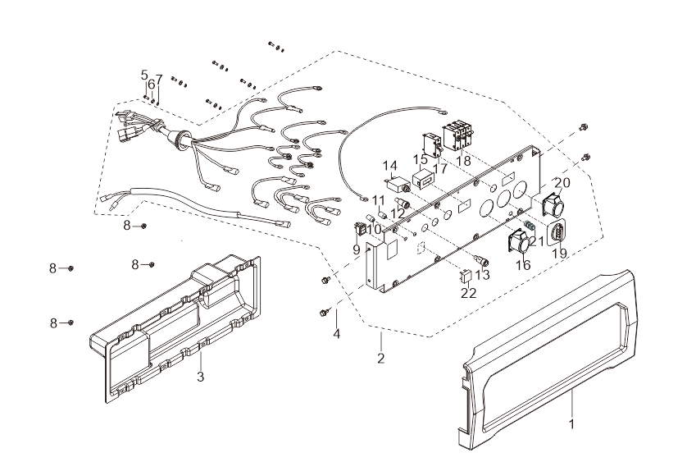
REF.NO. | PART NO | DESCRIPTION | Q'TY
F05-1 | 35680-Y030121-Q2A0 | Seat, Panel | 1
F05-2 | 35610-YDT2110-H7A1 | Panel Subassembly, Control | 1
F05-3 | 35601-Y030120-Q2A0 | Case, Panel Rear | 1
F05-4 | 90007-0612-A1A0 | Bolt | 4
F05-5 | 90254-0410-53A0 | Cross-Recessed Pan Head Screw, Spring Washer And Flat Washer Assembly | 6
F05-6 | 90403-0400-01A0 | Standard Spring Washer | 6
F05-7 | 90408-0400-E1A0 | Flat Washer - Grade A | 6
F05-8 | 90305-0400-71A0 | Hexagon Nut With Flange | 4
F05-9 | 35160-Y210110-0000 | Switch Subassembly | 1
F05-10 | 37018-Y900110-0000 | Oil Alarm Indicator | 1
F05-11 | 35612-Y510110-0000 | Power Indicator | 1
F05-12 | 35634-Y020110-0000 | Negative Binding Post | 1
F05-13 | 35633-Y020110-0000 | Positive Binding Post | 1
F05-14 | 31234-Y9H0110-0000 | Protector, Overcurrent | 1
F05-15 | 35632-Y6X0110-0000 | Timer | 1
F05-16 | 35614-Y240310-0000 | Socket Subassembly, Power Supply | 1
F05-17 | 35645-YEX0110-0000 | Breaker, Single-Pole Circuit | 1
F05-18 | 35698-Y0X0110-0000 | Three-Poles Breakers | 1
F05-19 | 35623-YEX0110-0000 | Switch, Voltage Switchover | 1
F05-20 | 35614-Y6X0110-0000 | Socket Subassembly, Power Supply | 1
F05-21 | 35629-YF80110-0000 | Terminal Subassembly, Grounding | 1
F05-22 | 35621-Y020110-0000 | Bridge, Rectification | 1
FIG.17 ROTOR/STATOR (F06)
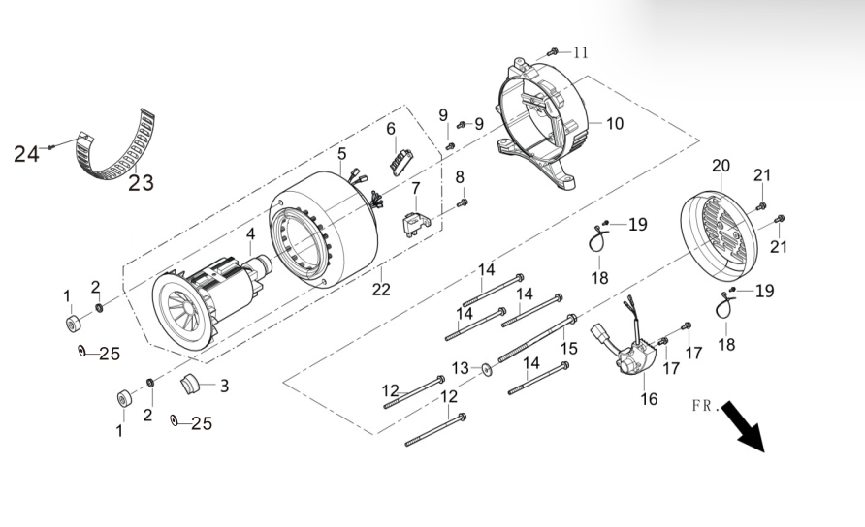
REF.NO. | PART NO | DESCRIPTION | Q'TY | Number of packages
F06-1 | 31317-Y030110-00A0 | Nut， Stator | 2 | 1
F06-2 | 90403-0500-01A0 | Standard Spring Washer | 2 | 1
F06-3 | 30023-YC20110-00A0 | Stopper, Motor Right Cover | 1 | 1
F06-6 | 31303HY090110-0000 | Block, Terminal | 1 | 1
F06-7 | 31320-Y030120-0000 | Brush Subassembly, Carbon | 1 | 1
F06-8 | 90001-0516-01A0 | Hexagon Socket Flange Face Bolt - Small Series | 1 | 1
F06-9 | 90001-0516-01A0 | Hexagon Socket Flange Face Bolt - Small Series | 2 | 1
F06-10 | 30021-Y030310-00A0 | Motor Support | 1 | 1
F06-11 | 90001-0512-01A0 | Hexagon Socket Flange Face Bolt - Small Series | 1 | 1
F06-12 | 31316-Y950120-00A0 | Stator Bolt | 2 | 1
F06-13 | 90408-Y030110-00A0 | Flat Washer - Grade A | 1 | 1
F06-14 | 30048-Y950110-00A0 | Stator Bolt | 4 | 1
F06-15 | 30049-Y950110-00A0 | Bolt， Rotor | 1 | 1
F06-16 | 30060-YDT0110-00A0 | Regulator, Voltage | 1 | 1
F06-17 | 90001-0516-01A0 | Hexagon Socket Flange Face Bolt - Small Series | 2 | 1
F06-18 | 90727-Y020110-00A0 | Band | 2 | 1
F06-19 | 90001-0516-01A0 | Hexagon Socket Flange Face Bolt - Small Series | 2 | 1
F06-20 | 30022-Y030110-H7A0 | Motor Tail Cover | 1 | 1
F06-21 | 90001-0512-01A0 | Hexagon Socket Flange Face Bolt - Small Series | 2 | 1
F06-22 | 31300-YJL0411-00A0 | Motor Assy. | 1 | 1
F06-23 | 30024-Y730110-00A0 | Shroud, Motor | 1 | 1
F06-24 | 90001-0510-01A0 | Hexagon Socket Flange Face Bolt - Small Series | 1 | 1
F06-25 | 90408-0500-E1A0 | Flat Washer - Grade A | 2 | 1
FIG.18 WHEEL ASSY,FRONT (F07)
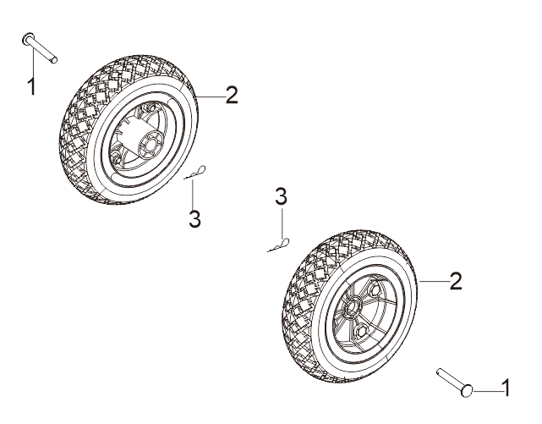
REF.NO. | PART NO | DESCRIPTION | Q'TY | Number of packages
F07-1 | 44020-Y030910-0601 | Shaft, Front Wheel | 2 | 1
F07-2 | 44110-Y030510-0001 | Wheel, Front | 2 | 1
F07-3 | 93124-U050110-03A0 | Socket | 2 | 1
FIG.19：Handlebar assembly Handlebar components (F08)
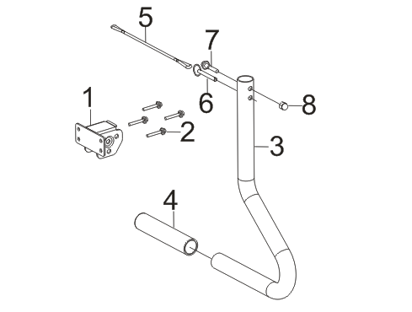
REF.NO. | PART NO | DESCRIPTION | Q'TY | Number of packages
F08-1 | 54113HY0K0110-H7A0 | Seat, Handle Tube Connecting | 1 | 1
F08-2 | 90007-0632-A1A0 | Bolt | 4 | 1
F08-3 | 54111-Y0K0110-H7A0 | Tube, Handle | 1 | 1
F08-4 | 54101-Y0K0110-00A0 | Sleeve, Handle Rubber | 1 | 1
F08-5 | 90793-Y910110-00A0 | Strap | 1 | 1
F08-6 | 90504-Y910110-00A0 | Pin Shaft | 1 | 1
F08-7 | 90001-0850-01A0 | Bolt | 1 | 1
F08-8 | 90310-0800-31A0 | Nut | 1 | 1

